ART
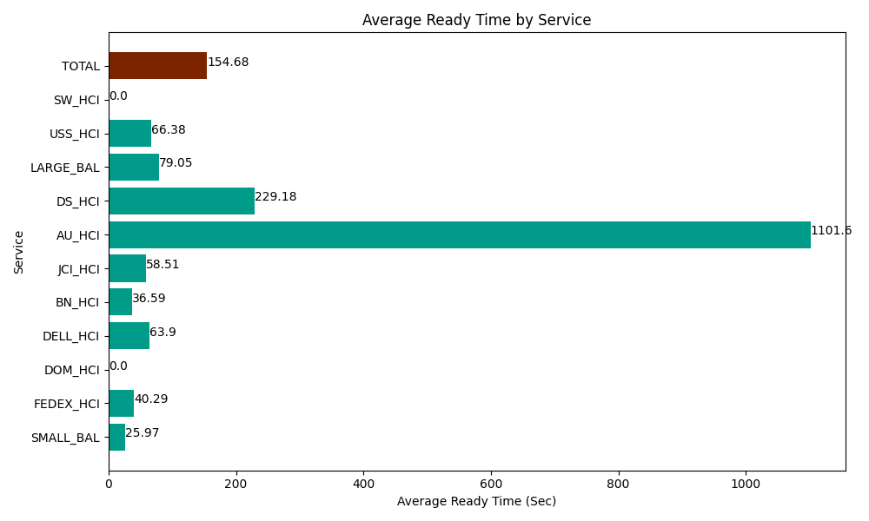
Date | Service | Successful Op Transfer | In Call (Sec) | Ready (Sec) | Wrapup (Sec) | Not Ready (Sec) | Average Ready Time (Sec)
05-23-2024 | SMALL_BAL | 35 | 1861.2000275 | 908.99997711 | 2749.8001099 | 5959.1999817 | 25.97
05-23-2024 | FEDEX_HCI | 28 | 2269.8001099 | 1127.9999542 | 1920 | 1356.0000229 | 40.29
05-23-2024 | DOM_HCI | 0 | 0 | 37.200000286 | 0 | 34.799998999 | 0
05-23-2024 | DELL_HCI | 92 | 7615.1998901 | 5878.8002014 | 29935.799561 | 12070.799561 | 63.9
05-23-2024 | BN_HCI | 1069 | 71104.196777 | 39118.198242 | 98845.202637 | 46779.001465 | 36.59
05-23-2024 | JCI_HCI | 209 | 22318.200073 | 12228.000183 | 20983.800659 | 4141.7999268 | 58.51
05-23-2024 | AU_HCI | 2 | 240 | 2203.2000732 | 649.79999542 | 348.00001144 | 1101.6
05-23-2024 | DS_HCI | 32 | 3225 | 7333.8002014 | 3577.1999359 | 2245.1998901 | 229.18
05-23-2024 | LARGE_BAL | 4 | 180 | 316.19999886 | 358.80000114 | 88.200001717 | 79.05
05-23-2024 | USS_HCI | 219 | 34474.200439 | 14536.200256 | 30814.200439 | 17017.199707 | 66.38
05-23-2024 | SW_HCI | 0 | 0 | 0 | 0 | 7.7999997139 | 0
 | TOTAL | 1690 | 143287.79732 | 83688.599088 | 189834.60334 | 90048.000566 | 154.68

